Performance
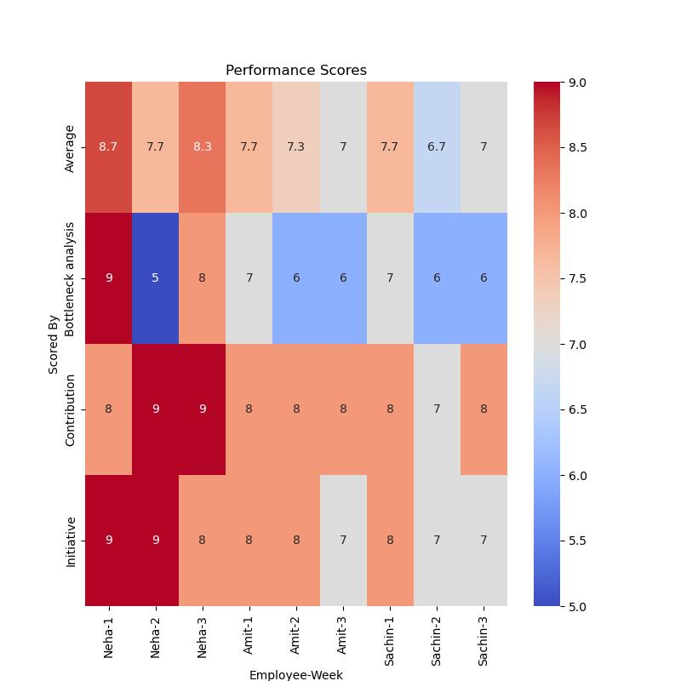
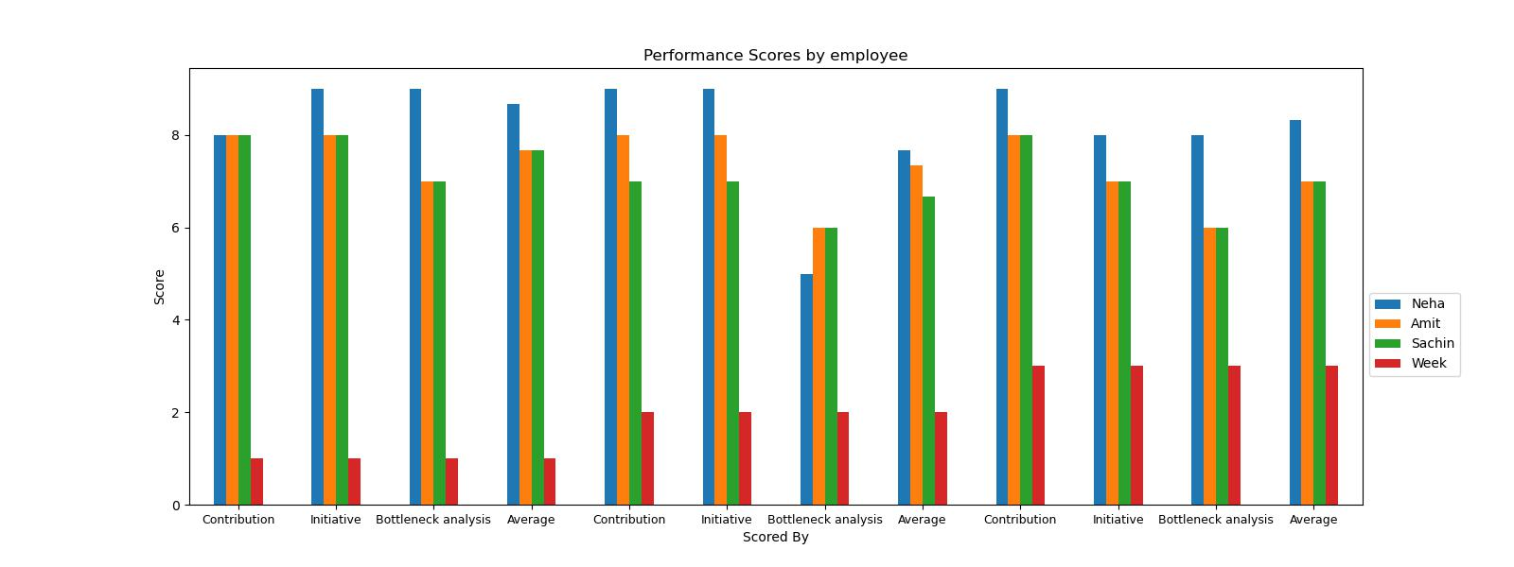
Scored by | Neha | Amit | Sachin
Contribution | 8 | 8 | 8
Initiative | 9 | 8 | 8
Bottleneck analysis | 9 | 7 | 7
Average | 8.666666667 | 7.666666667 | 7.666666667
Contribution | 9 | 8 | 7
Initiative | 9 | 8 | 7
Bottleneck analysis | 5 | 6 | 6
Average | 7.666666667 | 7.333333333 | 6.666666667
Contribution | 9 | 8 | 8
Initiative | 8 | 7 | 7
Bottleneck analysis | 8 | 6 | 6
Average | 8.333333333 | 7 | 7

Happiness
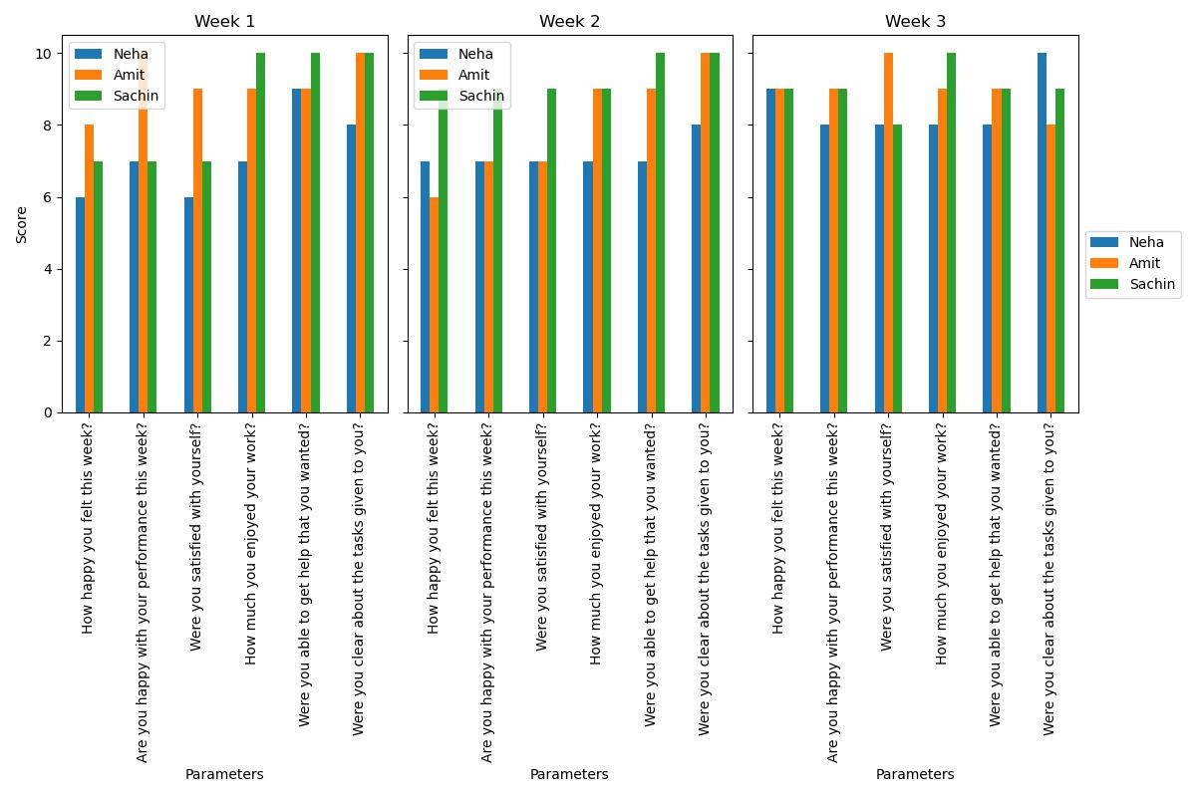
Parameters | Neha | Amit | Sachin | week
How happy you felt this week? | 6 | 8 | 7 | 1
Are you happy with your performance this week? | 7 | 10 | 7 | 1
Were you satisfied with yourself? | 6 | 9 | 7 | 1
How much you enjoyed your work? | 7 | 9 | 10 | 1
Were you able to get help that you wanted? | 9 | 9 | 10 | 1
Were you clear about the tasks given to you? | 8 | 10 | 10 | 1
How happy you felt this week? | 7 | 6 | 9 | 2
Are you happy with your performance this week? | 7 | 7 | 9 | 2
Were you satisfied with yourself? | 7 | 7 | 9 | 2
How much you enjoyed your work? | 7 | 9 | 9 | 2
Were you able to get help that you wanted? | 7 | 9 | 10 | 2
Were you clear about the tasks given to you? | 8 | 10 | 10 | 2
How happy you felt this week? | 9 | 9 | 9 | 3
Are you happy with your performance this week? | 8 | 9 | 9 | 3
Were you satisfied with yourself? | 8 | 10 | 8 | 3
How much you enjoyed your work? | 8 | 9 | 10 | 3
Were you able to get help that you wanted? | 8 | 9 | 9 | 3
Were you clear about the tasks given to you? | 10 | 8 | 9 | 3

Progress
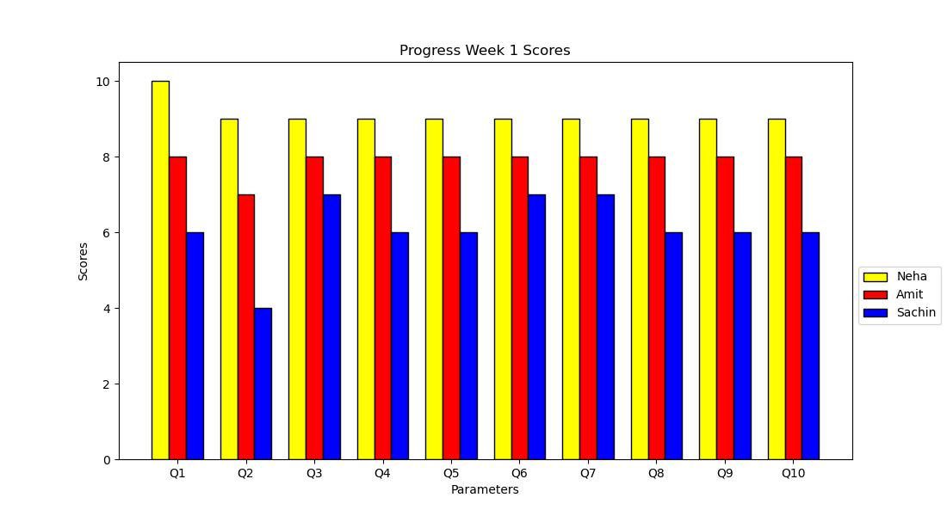
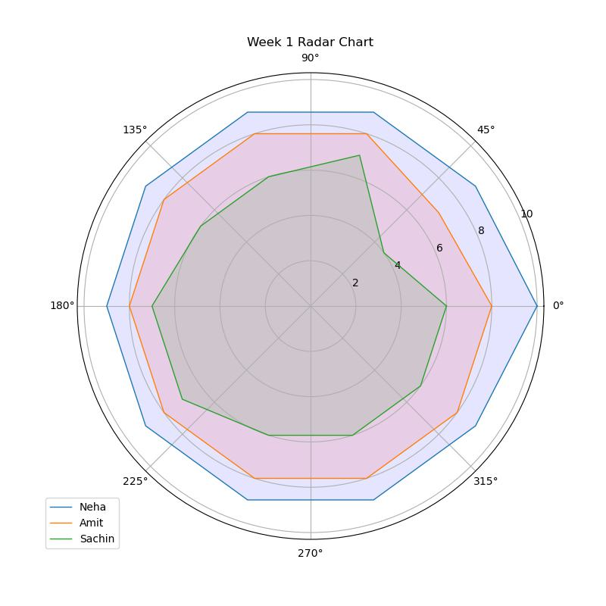
WEEK | Parameters |  | Neha | Amit | Sachin
WEEK 1 | Q1 How would you grade yourself in terms of the efforts you have put in completing projects at your company? |  | 10 | 8 | 6
 | Q1 On a scale of 1-10, how much is the above parameter significant for you? |  | 10 | 8 | 8
 | Q2 How much effort do you put in "learning and development of your core technical skills"? |  | 9 | 7 | 4
 | Q2 On a scale of 1-10, compared to the other parameters, how much is the above parameter significant to you? |  | 9 | 8 | 8
 | Q3 Beyond your core domain, what are the efforts have you put in learning holistically (cross functional skillset)? |  | 9 | 8 | 7
 | Q3 On a scale of 1-10, compared to the other parameters, how much is the above parameter significant to you? |  | 9 | 8 | 7
 | Q4 What are the efforts have you given to improve your persona (developing your conversational and emotional intelligence) ? |  | 9 | 8 | 7
 | Q4 On a scale of 1-10, compared to the other parameters, how much is the above parameter significant to you? |  | 9 | 8 | 6
 | Q5 How much efforts have you given in order to improve your efficiency or your productivity? |  | 9 | 8 | 6
 | Q5 On a scale of 1-10, compared to the other parameters, how much is the above parameter significant to you? |  | 9 | 8 | 6
 | Can you elaborate on why did you chose that scale while answering the above questions? [ Give one sentence reason why the parameter is important for you ] |  | "To learn what can be done I had to go every sphere of learning I keep my research on always Learning cross functional skills help me in understanding my task Growing my own persona and productivity happened at the same time " | could give more from my efficiency but due to unavoidable situations i did what i could do , not above not beyond. I think giving 8 is basic towards my work , i wish things become better for next week so that i could come out of my shell do more , learn more effectively. | I chose the above scales from the questions and consider it to be important because I wanna keep growing. And for growing means adding to my knowledge and skills constantly.
WEEK 2 | Read this case carefully - "Raju and the team had one purpose X in order to solve a problem Y. Raju and the team brainstorms on what they can do to satisfy the purpose. They then mutually arrive at a conclusion that they have to do A, B and C works to meet that objective. Raju’s team lead then sits with the team to distribute the work among the team members. The team attaches a number+description to each work - M, N and O in order to get clarity on the deliverables. Lastly, the team sets three number+narratives - P, Q and R in order to verify if the work they would perform would actually create an impact or no. " | Q1 According to you, What does X represents in the story? | The Problem statement which the company is purposed to solve | An Objective of the team | An Objective of the team
 |  | Q2 According to you, What does A, B and C represent in the story? | Deliverables to meet | Deliverables to meet | Deliverables to meet
 |  | Q3 According to you, What does M, N and O represent in the story? [You can select more than one option] | The Key Results of the work, The Key Performance Indicators, The numbers to chase in order to complete the deliverable, Deliverables to meet | Deliverables to meet, The numbers to chase in order to complete the deliverable, The Key Results of the work | The numbers to chase in order to complete the deliverable, The Key Performance Indicators
 |  | Q4 According to you, What does P, Q and R represent in the story? | The Key Performance Indicators | The Key Performance Indicators | The Key Performance Indicators
 |  | Can you elaborate on why did you chose those options to answer the above questions? [ Give one sentence reason for each one of the 4 questions ] | Many times company faces such challenges where innovation is only thing required, Apart company objectives, mission deliverables become so important to create some new milestone, For that we need The Key Results of the work The Key Performance Indicators The numbers to chase in order to complete the deliverable Deliverables to meet in aligned form, And in that case The Key Performance Indicators helps a lot as a base tool. | 1. The purpose of X is nothing but knowing our end goal i.e, the objective of team 2. A, B & C are nothing but the deliverables to meet since the team had mutually decided to work on them. 3. M, N & O are our tracking metrics which help team to be on their toes to reach their targets 4. P , Q & R are key metrics which helps team to visualize what to work on and what can be kept on a bucket list. | 1. X is the goal or purpose the team need to achieved that is given by the higher authority in the company. 2.X goal is broken down into 3parts that is A B C .these are the 3 tasks that needs to be achieved by the team . 3.M N O are the exact numbers and their descriptions on how the tasks need to be done or achieved, these are the KPI s and numbers that the team need to achieve. 4.P Q R are the key performance indicators of the team ,they need to be achieved in order for a team to show its progress and it will allow them to track their performance |  | 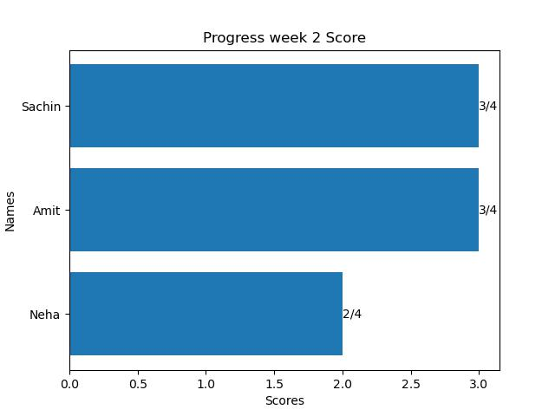
 |  | Score Recived by candidate in the test | 2 / 4 | 3 / 4 | 3 / 4
WEEK 3 | On an average, What percentage of the work you did, was pre-planned? |  | around 75% | 100% | half
 | What percentage of the work you did were unplanned, to give a freedom of exploration and initiate new ideas? |  | half | <25% | half
 | Roughly how much productive do you feel, what percentage of planned work were you able to complete? |  | >85% | >85% | >85%
 | Can you elaborate on why did you chose those options to answer the above questions? |  | "So, as we're reaching to the final part of our internship we finalized our final agenda ""Digital Media Marketing"" is one of the main KPI's on our bucket list - Regarding this, we as a team decide what we plan to do : *Content Front 1) One time it could be creating a strategy report. 2) Another time it could be creating post content & have a discussion around it 3) Some other time it could be designing analytics for the posts we've created and sharing our thoughts on that analysis stating where we can improve better so on and so forth ... so as our agenda is clear we will decide what can be planned this week as a part of KPI/OKR's Coming back to the point there's a *Product front as well So every week I will be receiving the upcoming week's plan - Features to be worked on kind of Plan of Action for internal team members (Dreamworks.co) I need to know how it works and come up with Feature documentation where Amit started to join the club recently and created the same old pattern which I started 1)Personas 2)User Story 3)User Flow Upon our Lead's suggestion we added one more aspect 4) Use case scenarios So as you can see this is the combination of our plan+ Seniors delegation to work on ! " | Cause it was mutually decided in presence of our lead and then we were assigned to the tasks . That is why I chose that option . There is nothing else to mention | "This week was quite productive .I took initiatives to take up work like working on the new feature list.Extened my research on my previous competitive analysis with new prespective and webistes .Worked on more than 20+ feature list wrote product initiatives documents for them . Helped the team with brainstorming ideas for LinkedIn post as well,the week was fun and productive.I feel I worked efficiently this week and hope to continue to do so in upcoming week." | 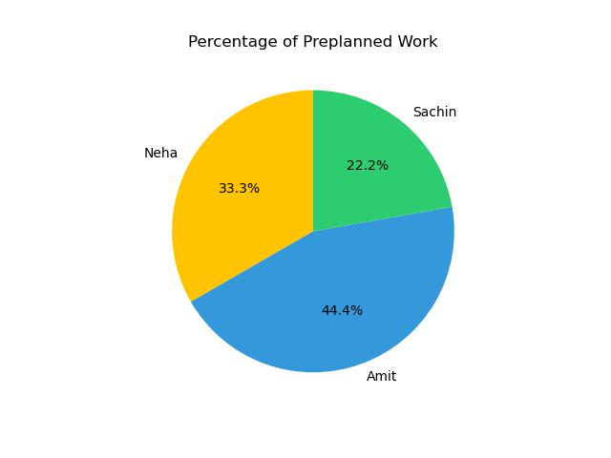 |  | 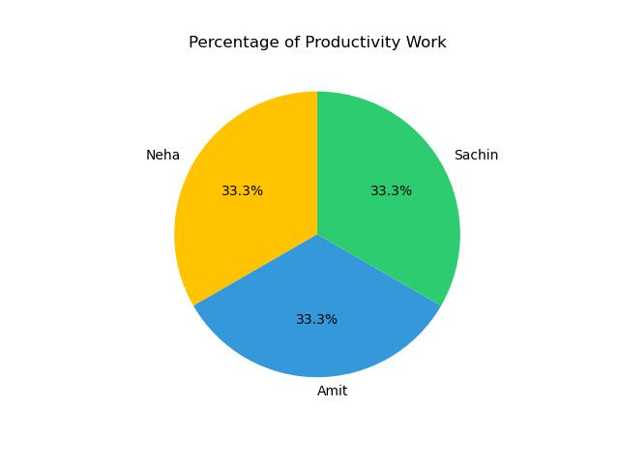 | 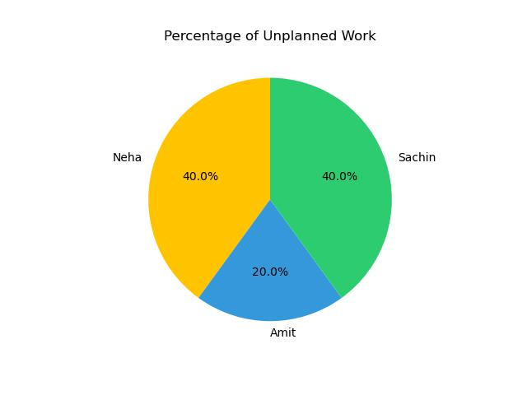
 | What did you utilize from the following to complete the work at your company? (You can select more than one option) |  | Your prior academic/ technical skills, Help of the team, Learning from DT Sessions, You Initiating creative and innovative solutions, Help of mentor / senior organization | Your prior academic/ technical skills, Help of the team, Learning from DT Sessions, You Initiating creative and innovative solutions, Help of mentor / senior organization | Your prior academic/ technical skills, Help of the team, You Initiating creative and innovative solutions, Help of mentor / senior organization
 | What among the following, according to you will help you as an individual to grow ahead in your future? (You can select more than one option) |  | Academic/ technical skills, Learning from Workshops / Courses, Learning from Cross-functional Holistic Sessions, Help received currently from the team, Your creative initiatives and innovative solutions, Help of mentor / senior organization | Learning from Workshops / Courses, Learning from Cross-functional Holistic Sessions, Your creative initiatives and innovative solutions, Help of mentor / senior organization | Academic/ technical skills, Learning from Workshops / Courses, Learning from Cross-functional Holistic Sessions, Help received currently from the team, Your creative initiatives and innovative solutions, Help of mentor / senior organization
 | Why would it help you to grow? How would you utilize them to grow at the fullest potential? |  | All these holds wide impact to help us grow as an individual also as an team player who can help others to get in same boat from where the development becomes a key factor across the eco-system. | Cross all the options gives broader perspectives to nurture and innovate | Everything mentioned above would help me grow ,learn new things and will allow me to contribute to my organisation
 | Do you think that you can do better / more contributions than what you mentioned above? How many times better can you perform? |  | I can do double times contribution than this week | I can do 1.25 times more contribution than this week | I can do 1.5 times contribution than this week

